1. Title Page
[Grocery Basket Analysis]

Project Name: Instacart Grocery Basket Analysis
Date: 07/18/2023
Analyst Name: Rangamani Varadachary

Contents:
Population Flow
Consistency checks
Wrangling steps
Column derivations
Visualizations and Recommendations

Citation:
 | The Customers Data set, Accessed from https://s3.amazonaws.com/coach-courses-us/public/courses/data-immersion/A4/A4_Data_Assets/customers.zip
 | The Instacart Online Grocery Shopping Dataset 2017”, Accessed from www.instacart.com/datasets/grocery-shopping-2017 via Kaggle (https://www.kaggle.com/datasets/psparks/instacart-market-basket-analysis)

2. Population Flow
 | Title page

Population flow

Exclusion flag
Condition: max_order < 5
Obervations to be removed: 1,440,295
Final total count of low_activity_customers_excluded: 30,964,564

instacart_customers_merged
Orders_products_combined
Orders_products_merged

Total:
Total: 32,404,859
Total: 32,404,859
32,434,489

1.) The grey boxes in the first row of the population flow represent the original data sets as they were when you downloaded them. In the Total fields you need to add the count of the rows when you imported the data set into Jupyter.
2.) The second row of boxes (coloured) represents the data sets after you manipulated them, e.g., removed missing values and duplicates. In the Total fields you need to add the count of the rows after conducting these operations. This offers a visual oveview of how the data flows throughout the data consistency checks.
3.) The third row, where also the arrows are coloured, represents the merges you performed between the datasets. In the Total fields you need to add the count of the rows in the merged datasets, so that you end up with the final dataset (in the red box). Keep in mind the final dataset should be without exclusions (based on the exclusion flag).

3. Consistency checks
 |  |  |  | Title page
Consistency checks

Dataset | Missing values | Missing values treatment | Duplicates
orders | days_since_previous_order(in 206209 observations). | Left as is since these are the first orders from the distinct users. | No duplicates found.
products | product_name(in 16 observations). | Removed the observations. | Dropped the duplicates (5 dupliacets found).
orders_products_prior | Some of the products' prices were at $14,900 and $99,999.00 which were extreme outliers and are probably wrong. | Marked 5127 rows as missing | None
customers | First name was missing in 11259 observations | Left as is | None

4. Wrangling steps
 |  |  |  |  | Title page
Wrangling steps

Dataset/Dataframe | Columns dropped | Columns renamed | Columns' type changed | Comment/Reason
orders csv/df_orders | eval_set | order_dow to orders_day_of_week | order_id to 'str', used for identification | columns renamed for clear understanding
 |  | days_since_prior_order to days_since_previous_order | user_id to 'str', used for identification | column eval_set not needed

customers | first name | First name to first_name | first_name to 'str', it was mixed type | columns renamed to follow uniform naming convention
 | Sur nam | Sur name to last_name |  | columns dropped to protect privacy since it is PII data
 |  | GENDER to gender
 |  | STATE to state
 |  | Age to age
 |  | n_dependents to number_of_dependents
 |  | fam_status to family_status

5. Column derivations
 |  |  |  | Title page

Column derivations and aggregations

In this tab you should add tables below that the frequences of flags/label variables that you produced after deriving them. NB: don't do this for continuous variables, only for flags.
Dataset | New column | Column/s it was derived from | Conditions
df_orders_products_merged | price_range | prices | df.loc[df['prices'] > 15, 'price_range_loc'] = 'High-range product' df.loc[(df['prices'] <= 15) & (df['prices'] > 5), 'price_range_loc'] = 'Mid-range product' df.loc[df['prices'] <= 5, 'price_range_loc'] = 'Low-range product'
 | busiest_day | orders_day_of_week | if value == 0:
 |  |  | result.append("Busiest day")
 |  |  | elif value == 4:
 |  |  | result.append("Least busy")
 |  |  | else:
 |  |  | result.append("Regularly busy")
 |  |  | value is the frequency of the orders_day_of_week column. Day 0 has the highest count and Day 4 has the lowest count.

 | busiest_days | orders_day_of_week | if (value == 0) or (value == 1):
 |  |  | result_busiest_days.append("Busiest days")
 |  |  | elif (value == 4) or (value == 3):
 |  |  | result_busiest_days.append("Slowest days")
 |  |  | else:
 |  |  | result_busiest_days.append("Regularly busy")
 |  |  | value is the frequency of the orders_day_of_week column. Day 0 and Day 1 has the highest count, Day 4 and Day 3 has the lowest count.

 | busiest_period_of_day | order_hour_of_day | if (value in [10,11,14,15,13,12,16,9,17]):
 |  |  | result_busiest_period_of_day.append("Most orders")
 |  |  | elif (value in [3,4,2,5]) :
 |  |  | result_busiest_period_of_day.append("Fewest orders")
 |  |  | else:
 |  |  | result_busiest_period_of_day.append("Average orders")

 |  |  | value is the frequency of the order_hour_of_day column.
 |  |  | Most orders - periods of time where more than 2 million orders were made
 |  |  | # Average orders - periods of time between 1 million and 2 million orders
 |  |  | # Fewest orders - periods of time where less than 1 million orders were made

df_orders_products_merged_updated | max_order | order_number | df_orders_products_merged_updated['max_order'] = df_orders_products_merged_updated.groupby(['user_id'])['order_number'].transform(np.max)

 | loyalty_flag | max_order | df_orders_products_merged_updated.loc[df_orders_products_merged_updated['max_order'] > 40, 'loyalty_flag'] = 'Loyal customer' df_orders_products_merged_updated.loc[(df_orders_products_merged_updated['max_order'] <= 40) & (df_orders_products_merged_updated['max_order'] > 10), 'loyalty_flag'] = 'Regular customer' df_orders_products_merged_updated.loc[(df_orders_products_merged_updated['max_order'] <= 10), 'loyalty_flag'] = 'New customer'

 | mean_price | prices | df_orders_products_merged_updated['mean_price'] = df_orders_products_merged_updated.groupby(['user_id'])['prices'].transform(np.mean)

 | spender_type_flag | mean_price | df_orders_products_merged_updated.loc[df_orders_products_merged_updated['mean_price'] >= 10, 'spender_type_flag'] = 'High spender'
 |  |  | df_orders_products_merged_updated.loc[(df_orders_products_merged_updated['mean_price'] < 10), 'spender_type_flag'] = 'Low spender'

 | median_days_since_previous_order | days_since_previous_order | df_orders_products_merged_updated['median_days_since_previous_order'] = df_orders_products_merged_updated.groupby(['user_id'])['days_since_previous_order'].transform(np.median)

 | frequency_flag | median_days_since_previous_order | df_orders_products_merged_updated.loc[df_orders_products_merged_updated['median_days_since_previous_order'] > 20, 'frequency_flag'] = 'Non-frequent customer'
 |  |  | df_orders_products_merged_updated.loc[(df_orders_products_merged_updated['median_days_since_previous_order'] <= 20) & (df_orders_products_merged_updated['median_days_since_previous_order'] > 10), 'frequency_flag'] = 'Regular customer'
 |  |  | df_orders_products_merged_updated.loc[(df_orders_products_merged_updated['median_days_since_previous_order'] <= 10), 'frequency_flag'] = 'Frequent customer'

df_instacart_customers_merged | region | created a list of states to create the region column | NorthEast
 |  |  | MidWest
 |  |  | West
 |  |  | South

 | age_group | age | df_merged.loc[df_merged['age']<=35, 'age_group'] = 'Young Adult'
 |  |  | df_merged.loc[(df_merged['age']>35) & (df_merged['age']<=65), 'age_group'] = 'Middle Aged'
 |  |  | df_merged.loc[df_merged['age']>65, 'age_group'] = 'Senior'

 | income_group | income | df_merged.loc[df_merged['income'] <= 67000, 'income_group'] = 'Low income'
 |  |  | df_merged.loc[(df_merged['income'] > 67000) & (df_merged['income'] <= 128000), 'income_group'] = 'Medium income'
 |  |  | df_merged.loc[df_merged['income'] > 128000, 'income_group'] = 'High income'

 | dietary_choice | department_id | Created crosstab between deparment_id and user_id
 |  |  | Looped through each user and created a current list of departments each user has ordered
 |  |  | dietary_choice_dict = dict()
 |  |  | for user in crosstab:
 |  |  | key = user
 |  |  | if current_list[11] == 0 and current_list[15] == 0:
 |  |  | val = 'Vegan'
 |  |  | elif current_list[11] == 0:
 |  |  | val = 'Vegetarian'
 |  |  | else:
 |  |  | val = 'Meat-eater'

 |  |  | dietary_choice_dict[key]=val

6. Visuals & Recommendations
 |  |  |  |  |  |  | Title page

Visualizations and Recommendations

In this tab you should include all the visualtions from Exercises 4.9 and 4.10, alongside the questions from the project brief that they answer. Include any commentary on the relationship between different variables.

In this tab you should also include any recommendations you would make to Instacart in terms of their marketing strategy based on the questions posed in the brief.

Project Brief Questions

Key Question 1. The sales team needs to know what the busiest days of the week and hours of the day are (i.e., the days and times with the most orders) in order to schedule ads at times when there are fewer orders.


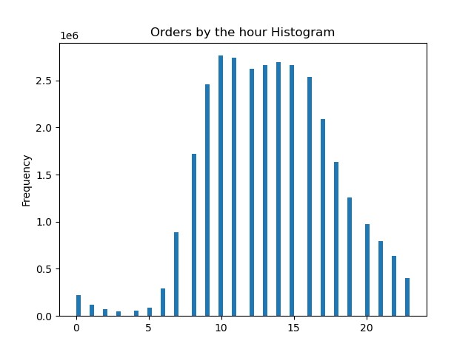

 |  |  |  |  |  |  |  |  | Hour of the day

The busiest days of the week are Fridays, Saturdays and Sundays . Fridays
have more than 4 million items sold, Saturdays with more than 6 million items
and Sundays close to 6 million items sold. Wednesdays are the least busy in
the week.
Orders are most frequent from 9am to 4 pm, with more than 2.5 million items ordered.
The order frequency steadily decreases after that, with the least of less than .5 million
items sold.
 | Day of the week:
 | 0 = Saturday
 | 1 = Sunday
 | 2 = Monday
 | 3 = Tuesday
 | 4 = Wednesday
 | 5 = Thursday
 | 6 = Friday

Recommendation: Schedule ads from Mondays through Thursdays, with specifically more ads on Wednesdays when it is least busy. Provide special sale on hot items on Saturdays and Sundays to increase the sales further.

Key Question 2. The sales team also want to know whether there are particular times of the day when people spend the most money, as this might inform the type of products they advertise at these times.

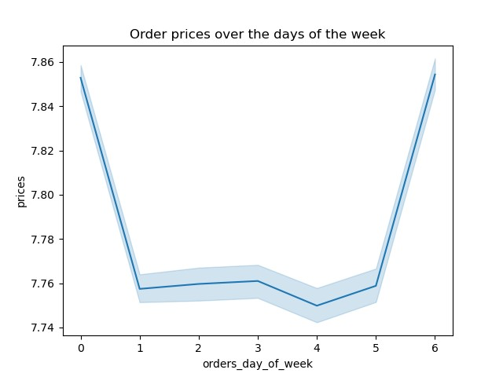
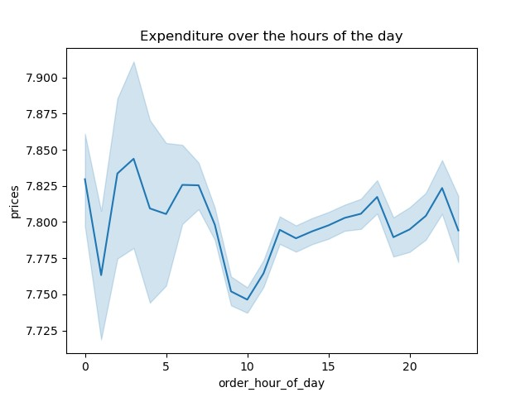

People spent the most money on Fridays, Saturdays and Sundays,
with the average price of more than $7.84. People spent the least amount
of money on Wednesdays, around $7.74 as the average.
There is not a lot of difference in price.
People spent the most amount around 4 am, the least spent is
around 10 am,and it steadily increases afterward.

Recommendation: Schedule ads for big ticket items from 2 am to 8am on Fridays, Saturdays and Sundays when people spend the most money.

Key Question 3: Instacart has a lot of products with different price tags. Marketing and sales want to use simpler price range groupings to help direct their efforts.

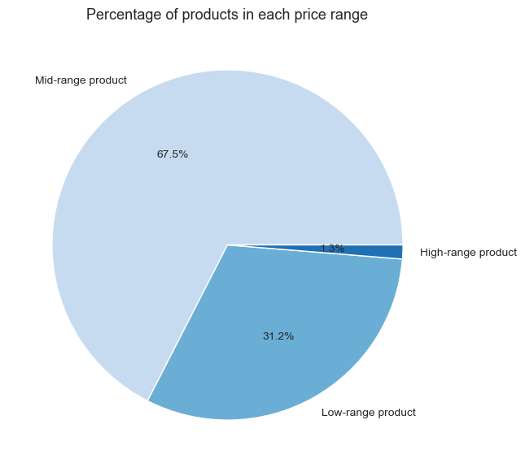

 |  |  |  | High-range product: Prices greater than $15
 |  |  |  | Mid-range product: Prices greater than $5 and less than equal to $15
 |  |  |  | Low-range product: Prices less than $5

 |  |  |  | The percentage of products in the high range is exteremely low at 1.3%.
 |  |  |  | Most of the products (67% of products) are priced at mid-range and the low range products are at 31.2%.

Recommendation: Schedule ads for high-range product during the busiest days and busiest time of those days like suggested above. Provide sales and discounts for mid-range products to increase sales.

Key Question 4: Are there certain types of products that are more popular than others? The marketing and sales teams want to know which departments have the highest frequency of product orders.

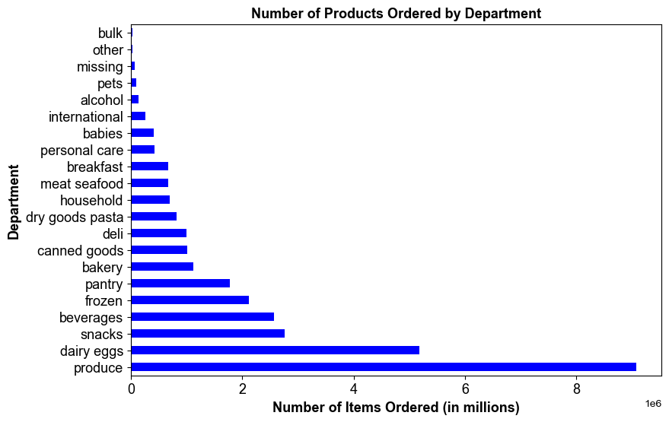
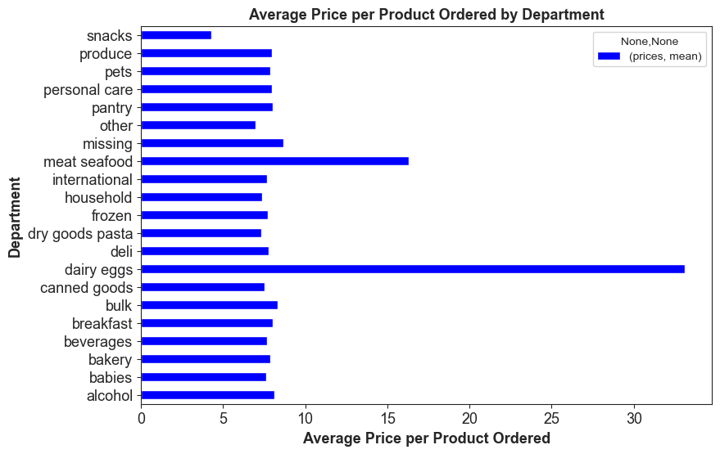

 |  | Products from "Produce" and "Dairy eggs" are the most popular. |  |  |  | The average price for "dairy and eggs" is the highest with more than $30.
 |  | Around 9 million products from produce and 5 million from dairy eggs were ordered. |  |  |  | The next highest is "meat and seafood" with more than $15.

Recommendation: Provide sale or discounts for products from departments that have the highest frequency of orders like produce, dairy eggs, snacks and beverages. Schedule ads for products with orders of less frequency during the busy times of the day and on busiest days.

Key Question 5: What's the distribution among users in regards to brand loyalty?

Loyalty grouping:
Loyal cutomer: More than 40 orders
Regular customer: More tghan 10 and less than 40
New customer: Less than 10

 |  | 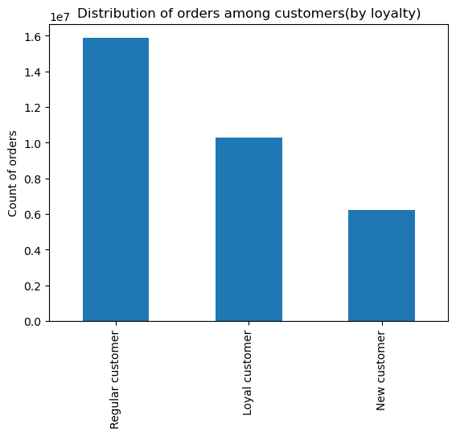 |  | 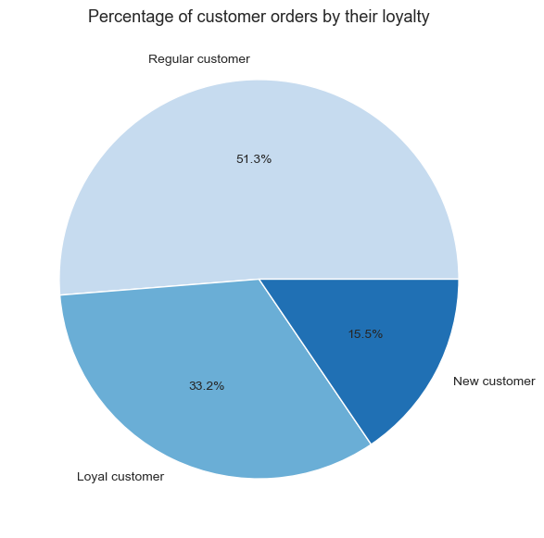

 |  | Orders from regular customers were close to 15 million being the highest. |  |  | Regular and Loyal customers make up more than 84% of the orders.
 |  | Orders from loyal customers were around 10 million, being the next highest.
 |  | Orders from new customers were around 6 million.

Recommendation: Provide special discounts for loyal customers, promote targeted ads and sales for regular customers to turn into loyal customers. Provide new customer rewards points and coupons for reorder to turn new customers into regular customers.

Key Question 6: Are there differences in ordering habits based on a customer's loyalty status?

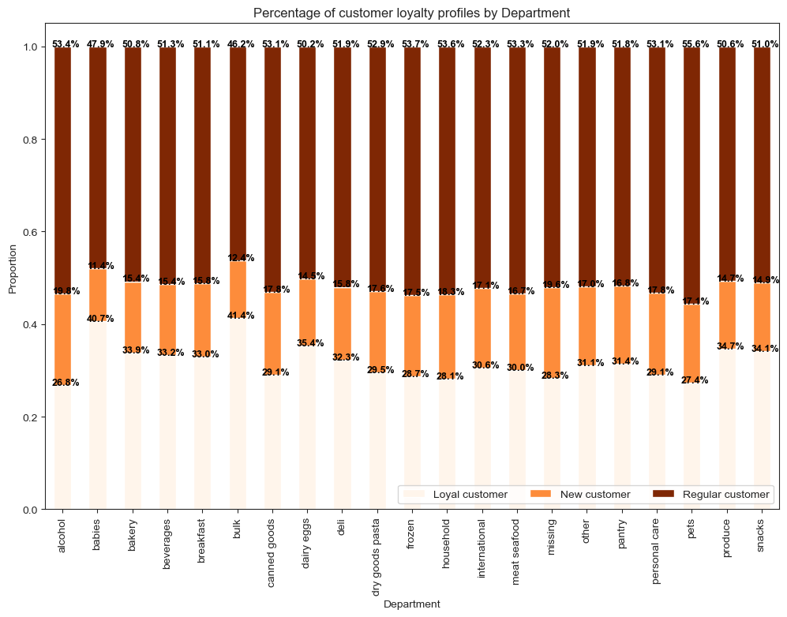
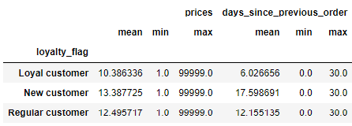

 |  |  |  |  | Loyal customer Top buys: 41.4% from bulk and 40.7% from babies departments
 |  |  |  |  | Regular customer Top buys: 53.7% from frozen, 53.6% from babies, and 53.4% from alcohol departments.
 |  |  |  |  | New customer Top buys: 19.8% from alcohol and 18.3% from household departments.

Recommendation: Provide special discounts for bulk, babies, frozen, household, and alcohol departments. Schedule and target ads to customer groups on products from departments where the orders are less.

Key Question 7: Are there differences in ordering habits based on region?

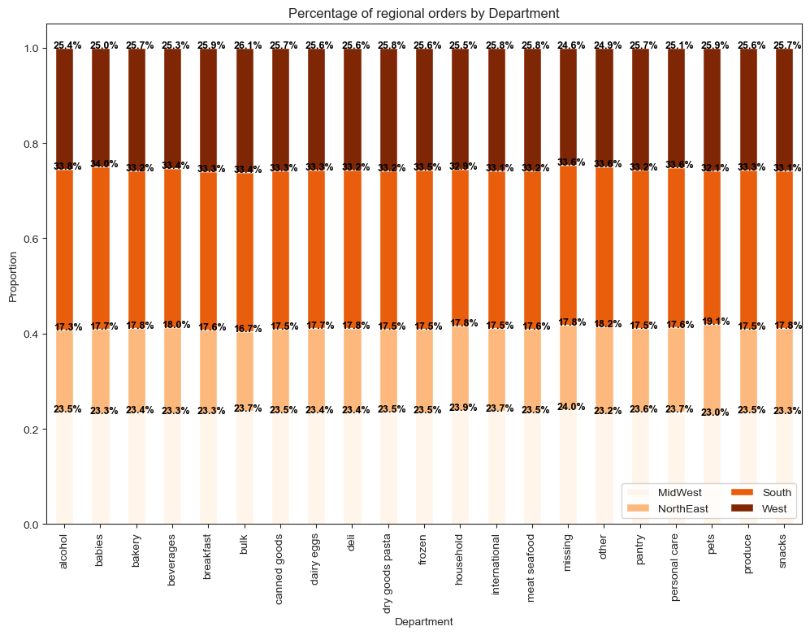
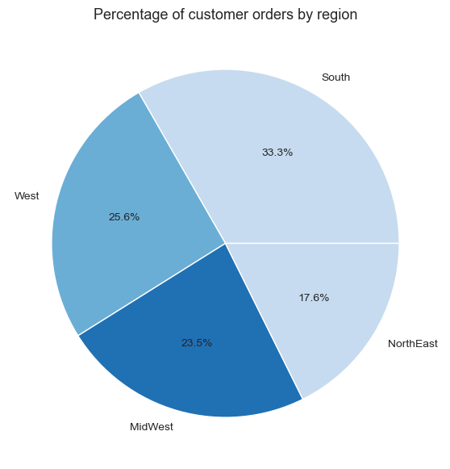

 | South region has ordered the highest, followed by West. NorthEast has ordered the least at 17.6%

 |  |  |  |  | The items are sold evenly across the departments for each region.
 |  |  |  |  | South region has the most overall sales, followed by the West.

 |  |  |  |  | Top departments in South region: Babies at 34% and alcohol at 33.8%
 |  |  |  |  | Top departments in West region: Bulk at 26.1% and pets at 25.9%
 |  |  |  |  | Top departments in MidWest region: Household at 23.9%, bulk, international and personal care at 23.7%
 |  |  |  |  | Top departments in NorthEast region: Pets at 19.1, beverages at 18%, followed by bakery, deli, snacks and household items at 17.8%

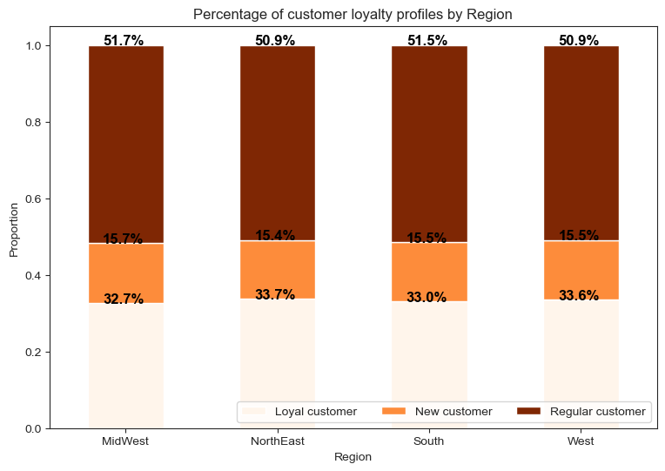
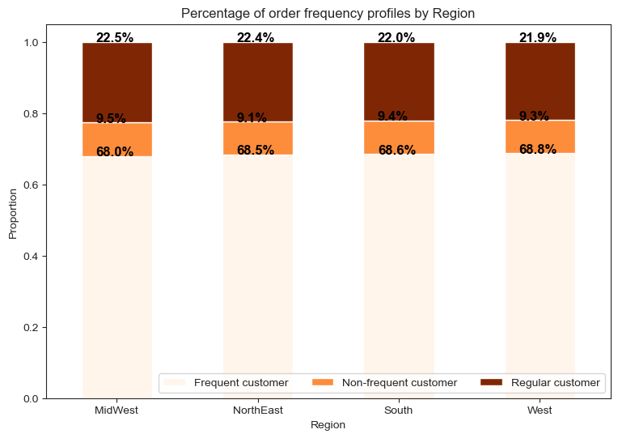

 | Majority of the customers in each region are Frequent customers around 68.5%. |  |  |  |  | Majority of the customers in each region are Regular customers around 51%.
 | There are more frequent customers in West at 68.8%, followed by South and NorthEast regions. |  |  |  |  | There are more loyal customers in NorthEast at 33.6%, followed by West closely at 33.6%.
 | There are more regular customers in Midwest at 22.5%, followed by NorthEast. |  |  |  |  | There are more regular customers in Midwest at 51.7%, followed by south at 51.5%.
 | There are more non-frequent customers in Midwest at 9.5%, followed by South region. |  |  |  |  | There are more new customers in Midwest at 15.7%, followed by South and West regions at 15.5%.

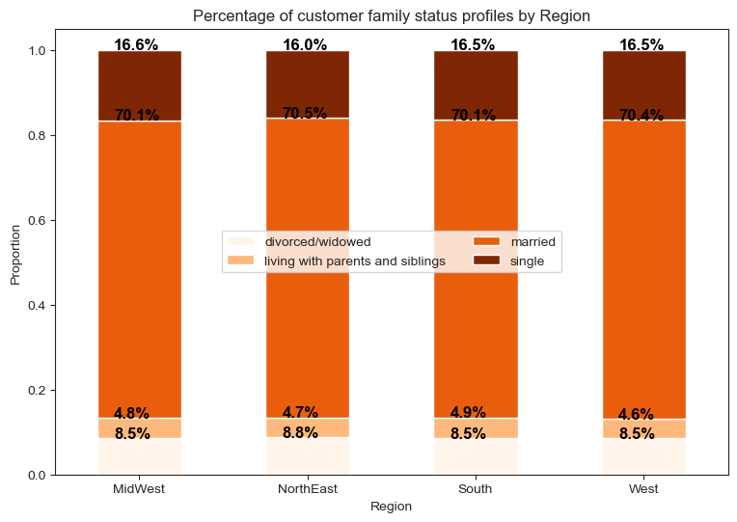
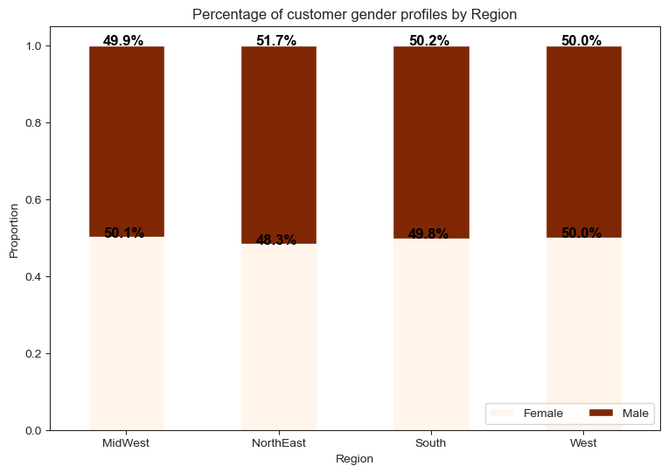

 | Majority of the customers in each region are married(around 70%), followed by single customers. |  |  |  |  | Almost, all regions more or less have the same distribution of males and female orders.
 | There are more married customers in NorthEast at 70.5%, followed by West closely at 70.4%. |  |  |  |  | Midwest has slightly higher orders from females than males.
 | Next, there are more single customers in Midwest at 16.6%, followed by south and West at 16.5%. |  |  |  |  | West has equal amount of orders from males and females.
 | There are more new customers in Midwest at 15.7%, followed by South and West regions at 15.5%.
 | The least orders in every region came from customers living with parents and siblings.

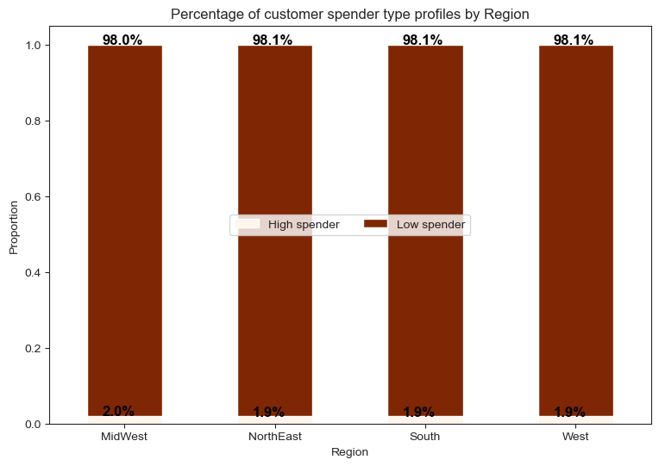

 |  | Customers who bought items with mean price greater than or equal to $10 are grouped as high spenders.

 |  | Most of the customers in all the regions are high spenders.
 |  | Around 2% of customers in each region are low spenders.

Recommendation: Provide sale discounts for products from the top departments in every region.
Schedule ads or provide online coupons for products from departments with less sales in each region.
Since the majority of customers are frequent customers in every region, provide rewards points to be redeemed for these customers.
Provide ads for loyal customers since their percentage is lower than the regular customers in every region and provide sale discounts for the regular customers.
Provide sale discounts and coupons for married customers since they are the majority in every region, around 70% of the family status profile.

Key Question 8: Is there a connection between age and family status in terms of ordering?

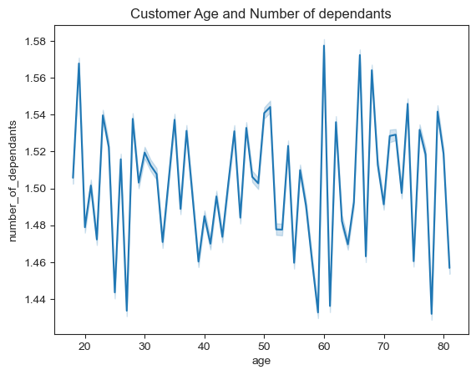
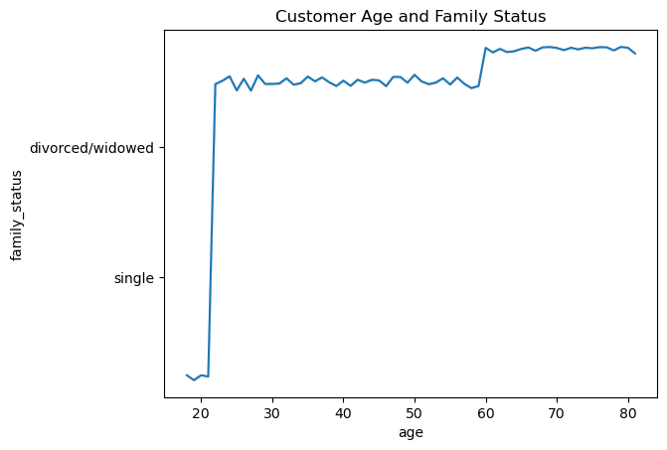

 |  |  | Most of the customers with ages above 20 are married. |  | There seems like no correlation exists between the age and number of dependants.
 |  |  |  |  | There are more number of dependants for customers in their twenties and sixties.

Recommendation: Schedule ads and provide discounts to customers who are married since most of the customers are married(who are above 20 years old).

Key Question 9: What different classifications does the demographic information suggest? Age? Income? Certain types of goods? Family status?

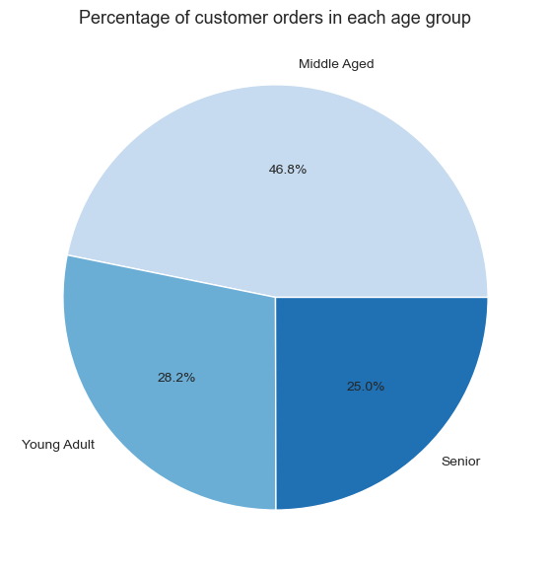
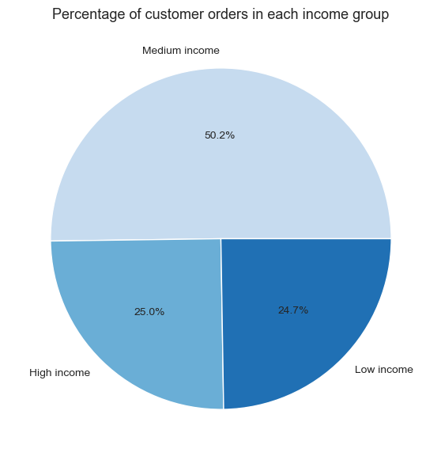

 | Young Adult: Less than or equal to 35 years old. |  |  |  | Low income group: income less than or equal to $67,000.
 | Middle aged: More than 35 and less than or equal to 65 years old. |  |  |  | Medium income group: income more than $67,000 and less than or equal to $128,000.
 | Senior: More than 65 years old. |  |  |  | High income group: income more than $128,000.

 | Majority of the customer orders were from middle aged group. |  |  |  | Most of the customers are from the medium income group

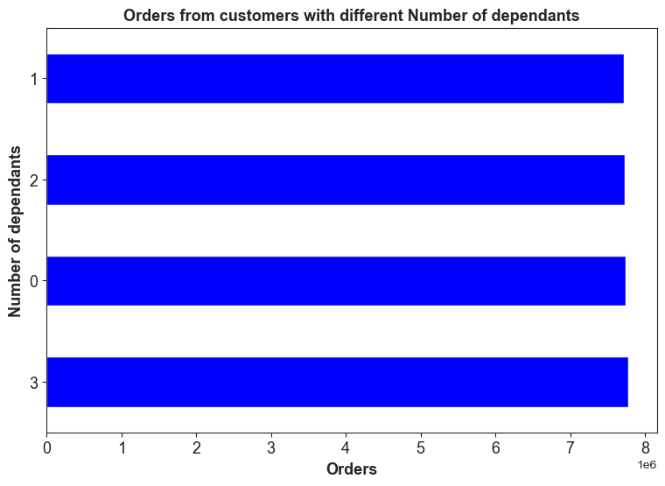
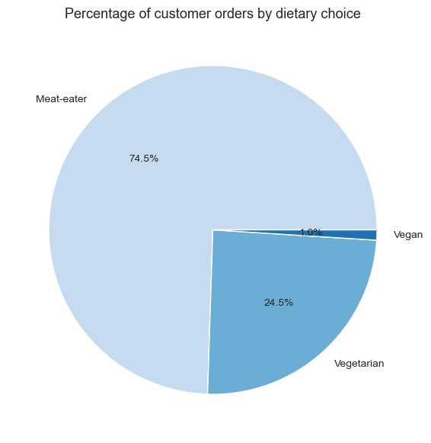

 |  |  |  |  | Orders from customers with dependents(either 1,2, or 3) is around 75%, close to 24 million.
 | Vegan: No orders from Meat and seafood, Dairy eggs departments.
 | Vegetarian: No orders from Meat and seafood departments.
 | Meat-eater: All other customers.

 | Majority of the customer orders were from meat-eaters around 75%.
 | Least orders from vegan customers at barely 1%.

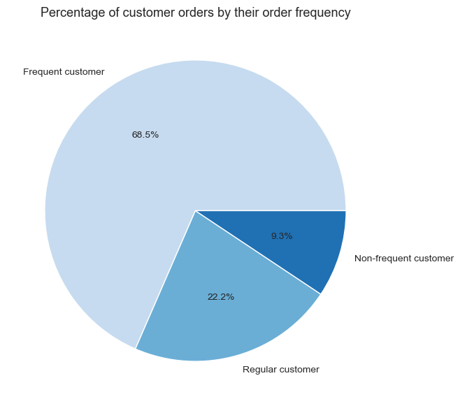
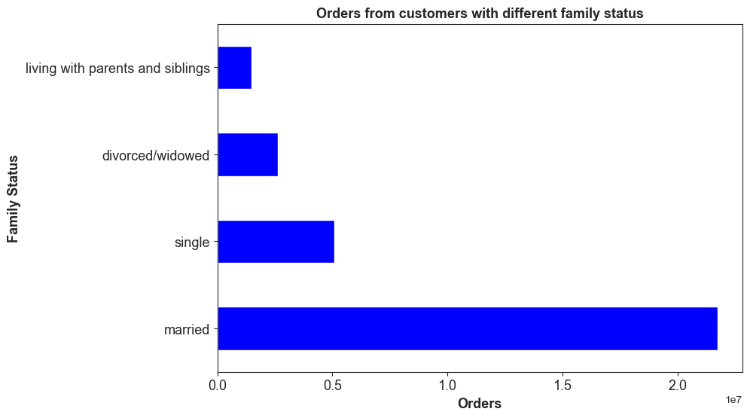

 |  | Most of the orders were from frequent customers, at 68.5% of total orders. |  |  |  |  | Most of the orders were from customers who were married, at around 22 million orders.

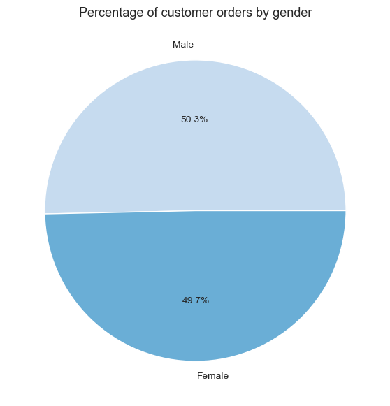

 |  | The percentage of orders from male customers is slightly more than the female customers.

Recommendation: Provide discounts to customers who belong to the middle-aged and middle-income group.
Provide senior discounts and other special discounts to seniors.
Since customers who have dependants make up 75% of the customer base, announce sales promotion days and family discounts for these customers.
Provide deep discounts for products under meat and seafood department since the meat-eaters make up 75% of the customer base.
Increase healthy vegetarian and vegan products to increase sales among the vegetarian and vegan customers. Also, provide special offers on new products from this diet choice.

Key Question 10: What differences can you find in ordering habits of different customer profiles? Consider the price of orders, the frequency of orders, the products customers are ordering, and anything else you can think of.

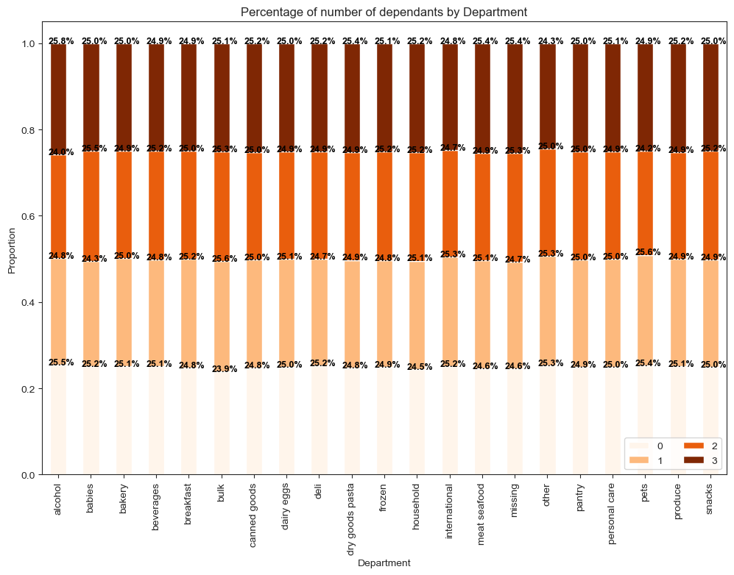
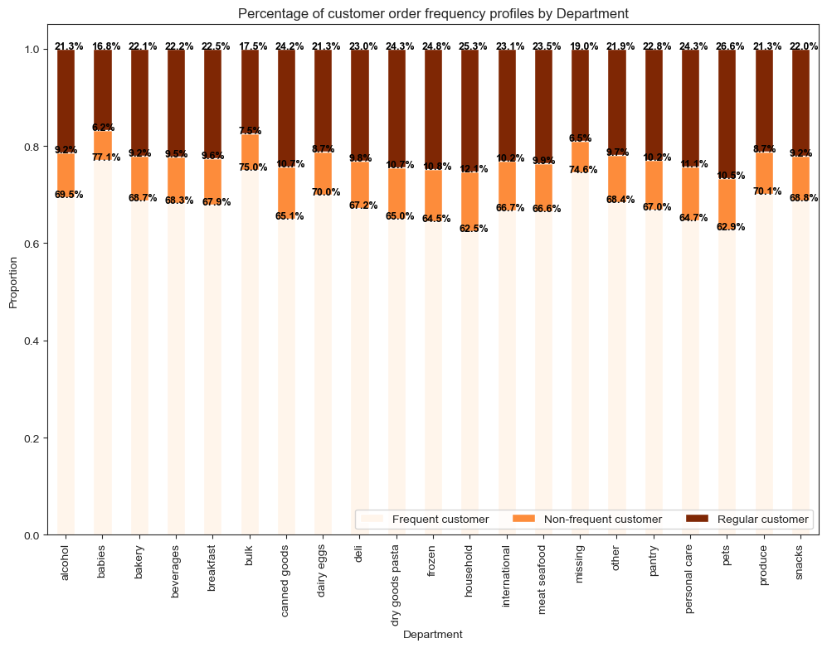

 |  | Majority of the orders are from frequent customers across all departments.
 |  | Top departments among frequent customers: babies at 77.1%, and bulk at 75% |  |  |  |  | The customers with kids(at least one dependant or more ) have ordered almost 75% of the orders from each department.
 |  | Top departments among regular customers: pets at 26.6%, and household at 25.3%.

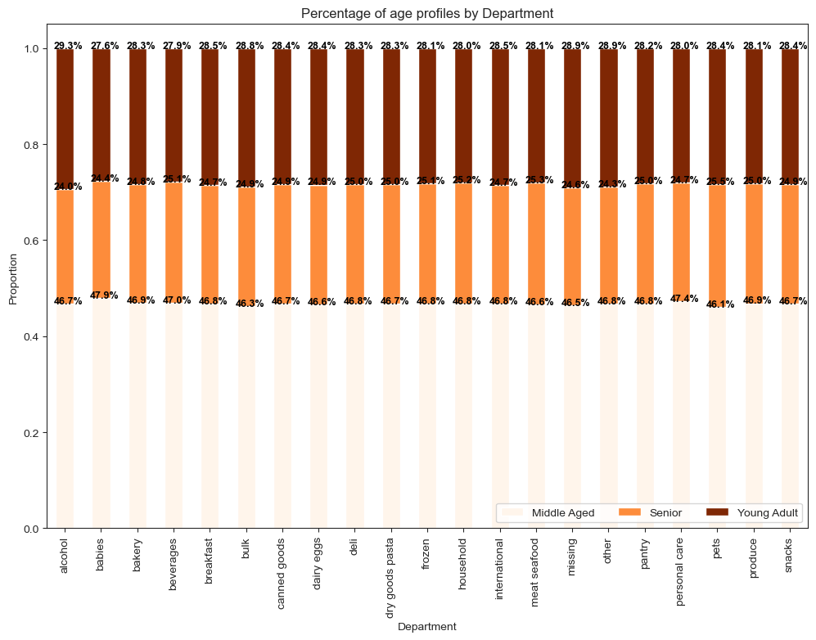
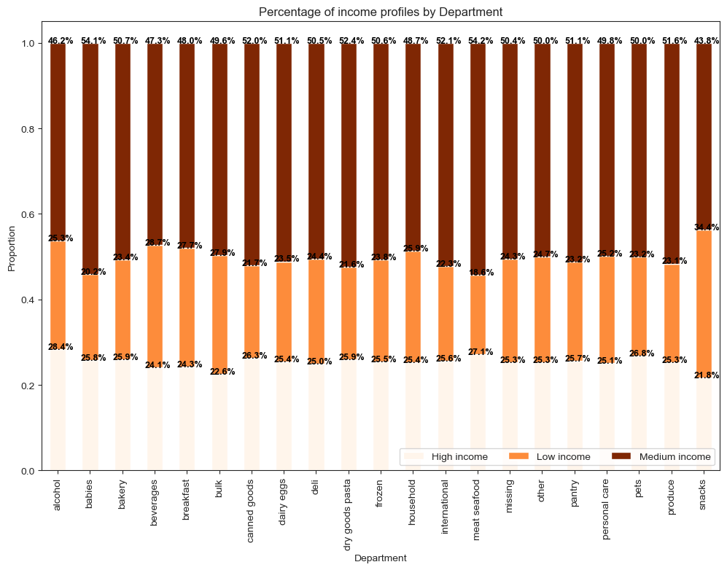

 |  | Majority of the customers are from the high income group for orders aross all departments. |  |  |  |  | Around 47% of the orders are from customers who are middle-aged across all departments.
 |  | Top departments for high income group: alcohol at 28.4%, meat and seafood at 27.1% and pets at 26.8%. |  |  |  |  | The rest of the orders are almost equally shared by the young adults and seniors.
 |  | Top departments for medium income group: meat and seafood at 54.2% and babies at 54.1%. |  |  |  |  | The percentage of orders from young adults are slightly higher.
 |  | Top departments for low income group: snacks at 34.4%.

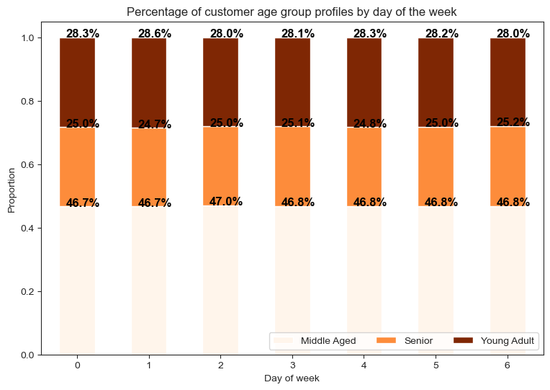

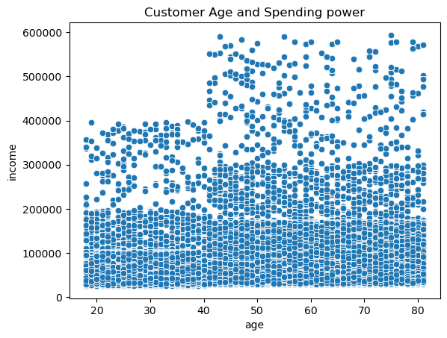

 |  |  |  |  |  |  |  | Overall, all ages have a minimum income around 200000.
 |  |  |  |  |  |  |  | Many people above 40 years of age have mid and high income.
 |  | Around 47% of the orders are from customers who are middle-aged over all days of the week. |  |  |  |  |  | Some people in this age group have very high income.
 |  | Around 28% of orders are from young adults and 25% of the orders are from seniors. |  |  |  |  |  | Some people in the age group between 20 and 40 have mid income between 200000 to 400000.

Recommendation: The ordering habits of each customer profile here have similar trends to charts visualized under previous key questions with the exception that it is broken down by departments or other key attributes.
Provide sale discounts and run promotions for the products in the top departments under each customer profile.
Provide sale discounts for middle-aged, middle-income groupof customers, customers who are married, and customers with dependants.
Promote family-based products with special discounts and family rewards points.
Also, send out customer survey to these top customer profiles who generate the most of instacart's business. Also, send out surveys to collect product interests from other customers with the motive to turn them into top customers.
Target customers who are 40 years and above with special ads for more expensive items since their spending power is high due to high income.

